Metrics and Plots
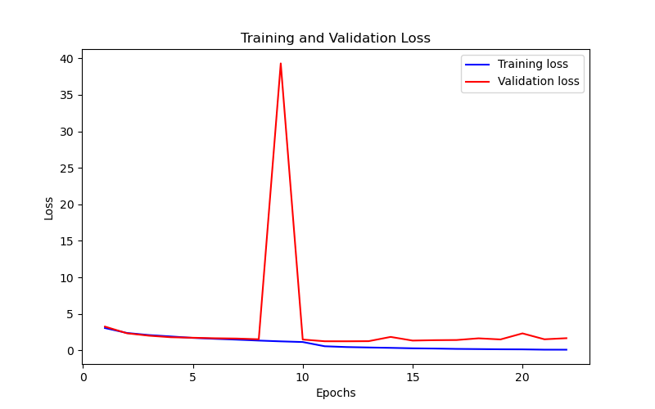
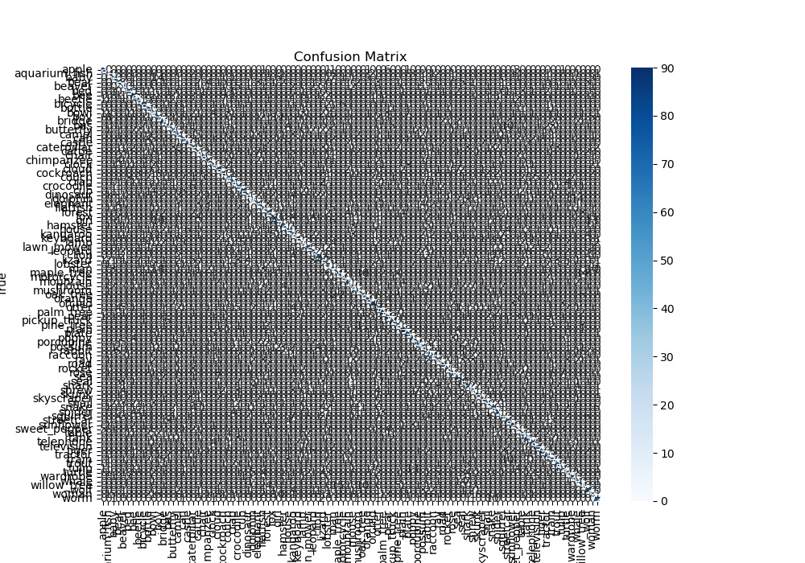
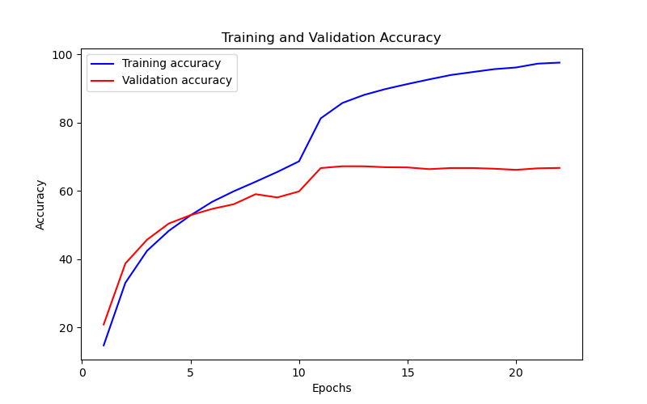
Epoch | Train Accuracy | Train Loss | Validation Accuracy | Validation Loss
1 | 14.69 | 3.063 | 20.82 | 3.263
2 | 33.03 | 2.39 | 38.69 | 2.346
3 | 42.42 | 2.102 | 45.66 | 2.015
4 | 48.25 | 1.91 | 50.39 | 1.803
5 | 52.79 | 1.713 | 52.84 | 1.734
6 | 56.76 | 1.587 | 54.68 | 1.665
7 | 59.86 | 1.476 | 56.06 | 1.625
8 | 62.63 | 1.347 | 58.99 | 1.524
9 | 65.5 | 1.239 | 58.03 | 39.307
10 | 68.61 | 1.148 | 59.8 | 1.488
11 | 81.2 | 0.568 | 66.64 | 1.252
12 | 85.71 | 0.458 | 67.17 | 1.249
13 | 88.07 | 0.4 | 67.16 | 1.265
14 | 89.81 | 0.349 | 66.88 | 1.847
15 | 91.25 | 0.286 | 66.83 | 1.346
16 | 92.61 | 0.255 | 66.32 | 1.401
17 | 93.9 | 0.206 | 66.65 | 1.423
18 | 94.76 | 0.18 | 66.65 | 1.654
19 | 95.61 | 0.153 | 66.44 | 1.502
20 | 96.1 | 0.141 | 66.12 | 2.331
21 | 97.22 | 0.101 | 66.56 | 1.523
22 | 97.52 | 0.097 | 66.68 | 1.672

